Sheet1
ID | DESCRIPTION | ENVIRONMENT | STEPS TO REPRODUCE | TEST DATA | EXPECTED RESULT | ACTUAL RESULT | TIME STAMP | SCREEN SHOT
TK001 | changing the value of decimal number | windows 7 | opening blank excel worksheet
 |  | excel 365 | entering decimal number with two digits for example π | 3.14
 |  |  | excel changes feild format from General to Date. Manually return format to General by right clicking to the feild and choosing Format cell... Number | Mar-14 | 3.14 | 41699.00 | 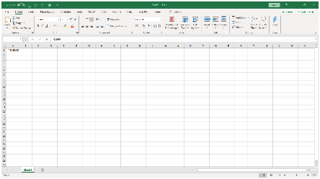 14.12.2020. 10:26
 |  |  |  | right clicking to the feild and choosing Format cell... Number

TK002 | Addition of time values | windows 7 | opening blank excel worksheet
 |  | excel 365 | in one colunm entrer time values i format hh:mm. All the values must in addition give more then 24h | 11:00:00
 |  |  |  | 15:00:00
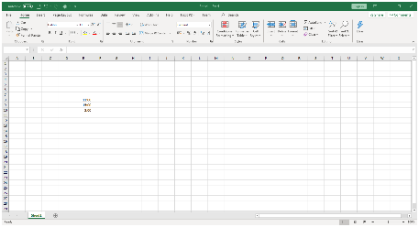
 |  |  | after the last value enter the formula for SUM | "=SUM(E8:E9) | 26:00:00 | 2:00:00 | 14.12.2020 12:18

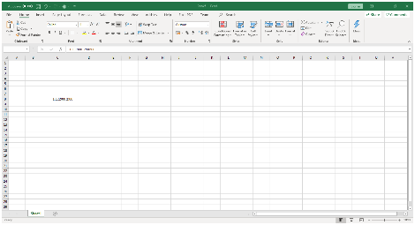
TK003 | Formating the feild with time that is larger then 24h | windows 7 | opening blank excel worksheet
 |  | excel 365 | entering time that is moer then 24h in format hh:mm:ss | 26:00:00 | 26:00:00
 |  |  | double click on the feild with time | double click | 26:00:00 | 1/1/00

